Introduction
The Flaw of Averages in Estimated Taxes
Michael H. Salama
What If version
This model does simultaneous What If simulations of 10,000 trials for each of seven prepayment amounts. We suggest that you study Estimated Tax Payments.xlsx before experimenting with this model.
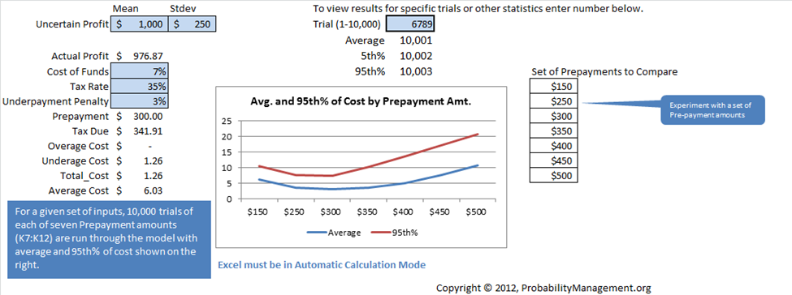

Copyright © 2012, ProbabilityManagement.org

www.ProbabilityManagement.org

What If Model
 | Mean | Stdev |  | To view results for specific trials or other statistics enter number below.
Uncertain Profit | $1,000 | $250 |  | Trial (1-10,000) | 6789 |  |  | SNormal01
 |  |  |  | Average | 10,001
Actual Profit | $976.87 |  |  | 5th% | 10,002 |  |  | -0.092500995901
Cost of Funds | 7% |  |  | 95th% | 10,003 |  | Set of Prepayments to Compare
Avg. and 95th% of Cost by Prepayment Amt.
 | Average | 95th%
$150 | 6.0333366707 | $10.32
$250 | 3.5512008394 | $7.56
$300 | 3.0455782901 | $7.40
$350 | 3.4906767463 | $10.08
$400 | 5.0455782901 | $13.58
$450 | 7.5512008394 | $17.08
$500 | 10.654462535 | $20.58
Tax Rate | 35% |  |  |  |  |  | $150
Experiment with a set of Pre-payment amounts
Underpayment Penalty | 3% |  |  |  |  |  | $250
Prepayment | $300.00 |  |  |  |  |  | $300
Tax Due | $341.91 |  |  |  |  |  | $350
Overage Cost | $- |  |  |  |  |  | $400
Underage Cost | $1.26 |  |  |  |  |  | $450
Total_Cost | $1.26 |  |  |  |  |  | $500
Average Cost | $6.03
For a given set of inputs, 10,000 trials of each of seven Prepayment amounts (K7:K12) are run through the model with average and 95th% of cost shown on the right.

 |  |  | Excel must be in Automatic Calculation Mode

 |  |  |  |  |  | Copyright © 2012, ProbabilityManagement.org

